DFMEA范围
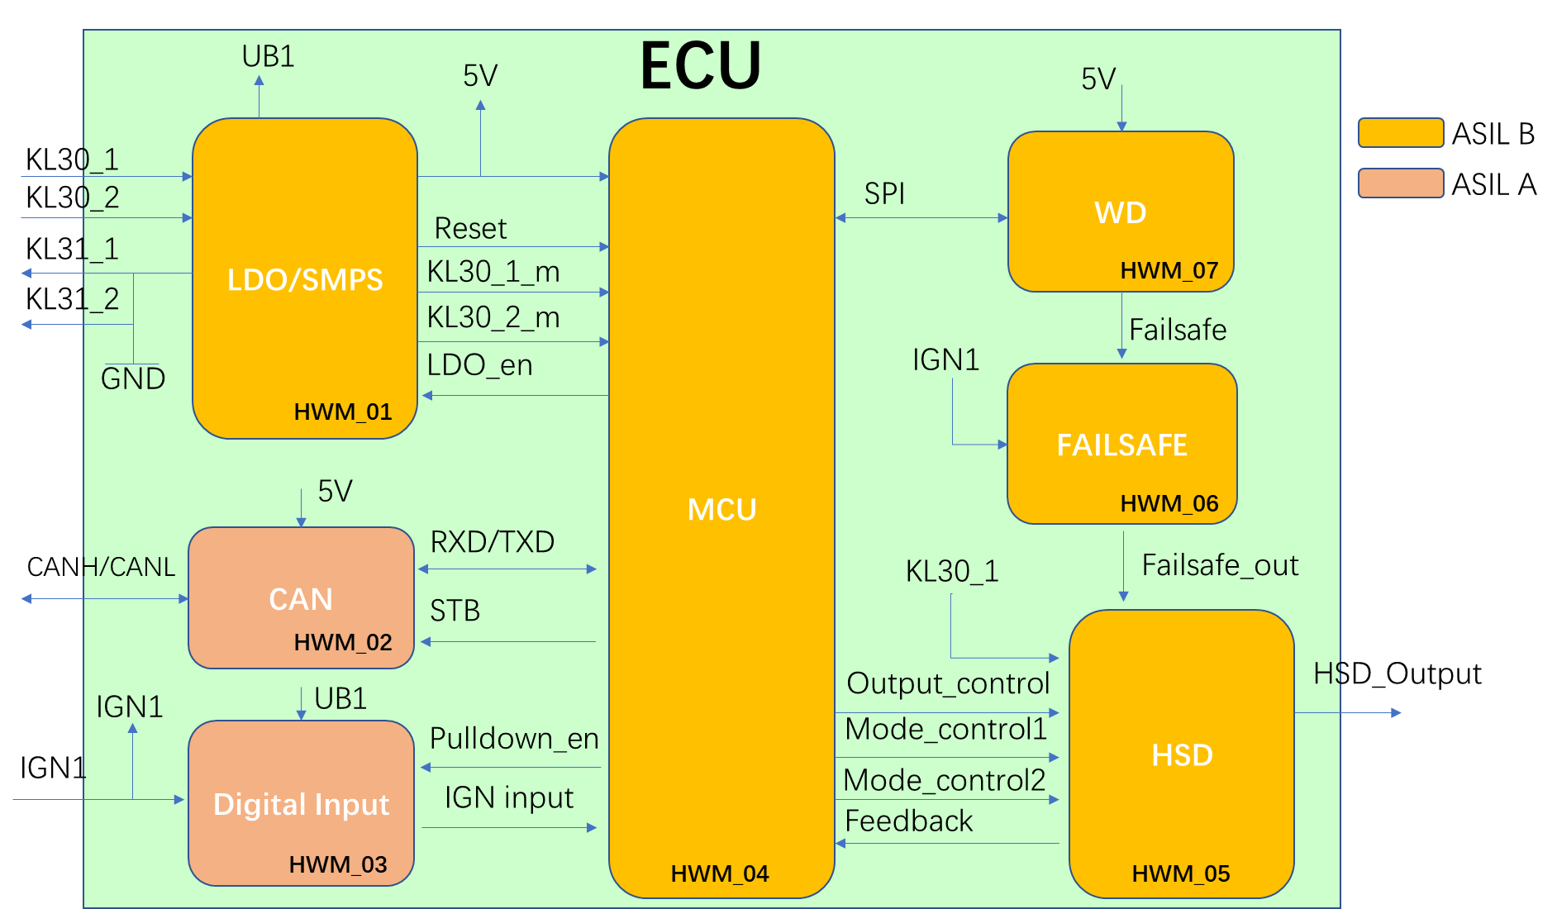
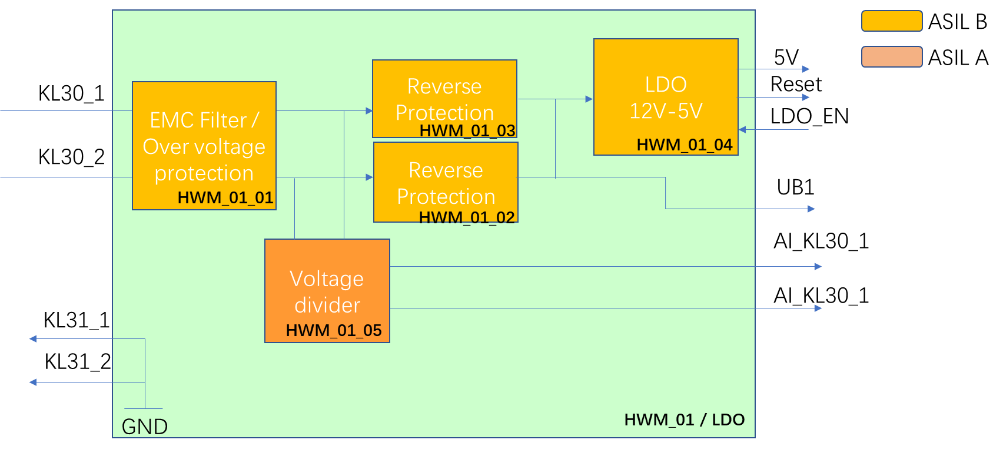
1. 项目： | 本分析所隶属的项目名称

2.所属开发阶段
 | 硬件架构设计（组件层面），硬件详细设计（元器件层面） 如需对芯片内部的依赖性失效进行分析，请另行参考其他模版

3. 硬件架构
 | 架构为当前分析所属阶段的架构设计，用于确定分析的对象，边界，以及分析的颗粒度。

 | 例

